ART
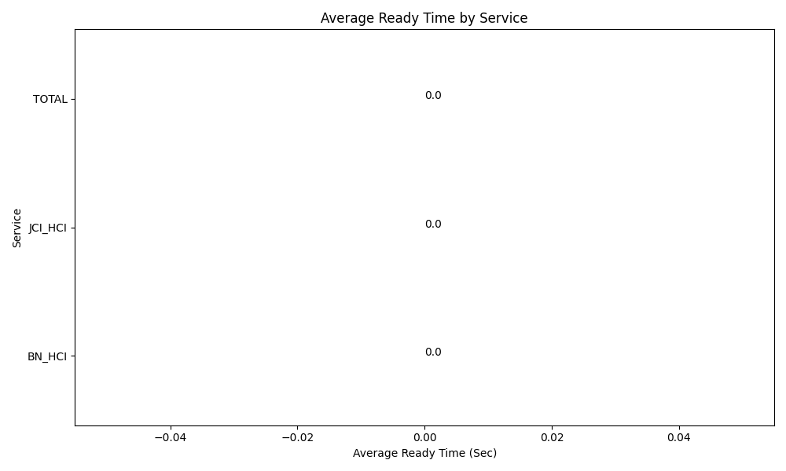
Date | Service | Successful Op Transfer | In Call (Sec) | Ready (Sec) | Wrapup (Sec) | Not Ready (Sec) | Average Ready Time (Sec)
05-13-2024 | BN_HCI | 0 | 0 | 0 | 0 | 0 | 0
05-13-2024 | JCI_HCI | 0 | 0 | 0 | 0 | 0 | 0
 | TOTAL | 0 | 0 | 0 | 0 | 0 | 0

